Pkg-What to Order
Group Packages
What to Order?

With all the choices available, choosing the best stick package can be confusing. Here are some tips to help you make the best decision…

1 | Which Stick Model is Best?

 | There are three considerations in choosing the best stick model for you program. (1) Who are my players? (2) What is the age range of my players? (3) How and where will we play?

 | (1) Who are my players? Is this a school PE program with different players each session? Is it an after-school or summer program where you will have the same kids playing all the time? What is the floorball experience level? Does your program cater to new players or first-timers?

 | A school PE program is generally more structured than a recreation program. In both cases, you will likely focus on beginners -- players who are brand new to floorball. In an after school or intramural program, your average experience and skill level will increase. Players will want to purchase their own floorball stick to play and practice at home. If this is the case, your players should be encouraged to bring their own stick to your floorball sessions.

 | Our pre-configured stick sets are built around a straight blade floorball stick -- the Score One or the FloorballPlanet School Stick. Players will be most comfortable shooting left or shooting right and you have no idea of how many in your group will shoot from a particular side. With a straight blade stick, you solve this problem. A straight blade stick can be played equally well from either side. However, you get less performance from a straight blade stick. A precurved stick does not cost much more than a straight blade stick yet the curved stick is better for stick handling, passing and shooting. An individual player will always choose a precurved stick. Since there is the perception that a precurved stick is "better", your serious players will want to obtain their own which means you won't need as many straight blade sticks in your program. Remember, being left handed or right handed has no bearing on which way a player shoots.

 | A hockey program that incorporates floorball into its off-ice and dryland training program or a college intramural program will likely focus on precurved sticks because of the better performance and because players will practice at home. We have a large selection of precurved sticks available for these types of programs. In this case, consider building your own stick package.

 | Floorball is a internationally recognized winter sport for Special Olympics. Choosing sticks for Speical Olympics athletes is no different than any other program. Due to the need for precurved sticks for SO competition, we offer a curved stick set using the Shadow series for SO programs.

 | (2) What is the age range of my players? Since floorball is played at all ages, floorball sticks come in different sizes. For best results, your players should have a stick of the correct size. As a general rule, a stick should come up to an inch or two above the belly button (or mid-sternum for a young player) when the stick is held in front of the body with the blade on the floor.

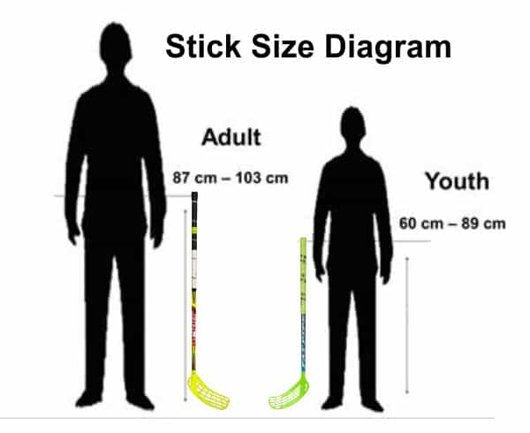
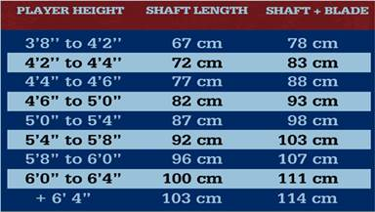

 | Our straight blade floorball sticks come in three basic sizes - 75 cm, 85 cm and 95 cm. These sizes refer to the length of the shaft (not the total length of the stick). You may see stick sets of other suppliers with size reference in inches. To get the equivalent size, multiply each inch by 2.5 to get the metric length. For example, a 34 inch stick is the equivalent of an 85 cm stick. There is a stick sizing chart above and we show this in many other places. A 75 cm stick is ideally suited for a player 4'1" to 4'6" tall, an 85 cm stick for heights 4'8" to 5'3" and a 95 cm stick for players 5'4" to 6' tall. There are smaller and larger sticks available, but generally not in a straight blade model. We offer a custom straight blade stick option for very young or very tall players.

 | A 75 cm stick is generally appropriate for school grades 2-4, an 85 cm stick for later elementary grades through middle school and a 95 cm stick is best for taller middle school through high school and adult. Our basic stick packages use a mix of stick lengths in an attempt to match the players in each grade level. In all cases, we can modify the stick lengths in any package to meet your requirements. NOTE: If you are trying to fit your package to a wide range of players, it is better to err on the side of longer sticks. We would rather see an elementary player use an 85 or 95 cm stick than a tall middle school or high school player be forced to use a 75 cm stick.

 | Young players (pre-K, kindergarten and 1st grade) presents its own challenges. Our shortest straight blade sticks, 75 cm, can be too big for young children to handle effectively. For early elementary (kindergarten and 1st grade), we can create a custom stick in 65 cm length with a straight blade so be sure to ask about this option. For young kids, you can select one of the short precurved kid sticks (65 cm Wooloc) or consider a mini stick such as the Salming or Fatpipe Mini. These sticks not only are shorter in length, they also have thinner shafts for easier gripping by small hands. We don't create standard packages with these sticks, they can be custom ordered.

 | Most of our stick sets come with standard regulation floorballs. For younger players, we have found that a softer, more flexible ball can provide a better playing experience. The ball has less action which reduces the bounce on the floor making it easier to control. It also reduces the "ouch" if the ball inadvertantly flies up to strikes the player in the upper body. The Flex ball is also popular for Special Olympics.

 | (3) How and Where will we play? A PE class in elementary school will have a different style of play than high school or college rec/intramural. Hockey players will play more aggresively than Special Olympics athletes. The blades on our straight blade sticks are relatively soft and will tend to wear quickly when played outdoors on a rough asphalt or concrete surface. The blades on our precurved sticks have a harder composition so they tend to last longer under these conditions. NOTE: OUR STRAIGHT BLADE STICKS ARE NOT IFF-CERTIFIED. That means they cannot be used in competitions sanctioned by the International Floorball Federation. ALL OF OUR PRECURVED STICKS ARE IFF-CERTIFIED. If you are planning to enter national or international tournaments, you are advised to choose precurved sticks.

2 | What about Goals?

 | As a competitive team game, the winner is the team which scores the most goals. You therefore need a goal at each end of the court or playing area. Sanctioned floorball competition is also played with a dedicated goalie. A floorball goalie does NOT play with a stick adn is the only player with protective equipment. Goalies are used in a variety of game formats (3v3, 4v4, 5v5, etc.). When playing with a goalie, a regulation size floorball goal is best. This goal has a steel frame and is 160 cm (64 inches) wide by 115 cm (46 inches) high.

 | While a regulation steel goal provides for the best competitive game, transport and storage can be an issue. Many programs do not have the luxury of storing their floorball goals on-site. To transport a steel frame goal, you need a pickup truck bed or a trailer. An alternative for goalie play is to use a street hockey PVC goal -- 54" or 48" wide. These are less expensive and can be transported more easily since the PVC tubes can be separated from the connectors to fit the goal in the trunk of a car.

 | Most programs begin floorball activity without goalies -- only field players. Dedicated goalies are added later after the program grows and develops. If playing without goalies, it makes sense to use a smaller goal. A field player is positioned in front of the goal in this case or you can have the goal undefended. Most smaller goals are foldable which makes them easy to transport and store. The "Floorball Easy Goal" is an excellent option -- it is lightweight, inexpensive, and it folds to fit in a standard floorball big stickbag. This allows you to put sticks, balls and goals, everything you need for a game in a single bag. The downside to the PVC Easy Goal is the light weight -- when set on a floor, it can be easily shifted with a hard shot or if somebody bumps it when passing by. There are also steel folding goals available in 90 cm x 60 cm (36" x 24") or smaller size. The steel frames make these goals more durable and they maintain their position better than the PVC goal. These types of goals fold flat for easy transport in the back of a car.

Sizing
...
Goalie Equipment
5'6" to 6'0" | 33-34 in | L | L | L
5'6" to 6'1" | 34-38 in | XL | XL | XL
+ 5'10" | +38 in | XXL | XXL | XL

Goalie Knee Pads

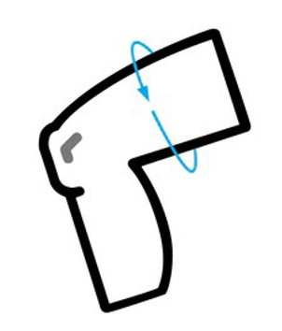
Measure around your lower thigh about 1-2 inches above the knee. |  | Thigh Measure | Size
 |  | smaller than 15-1/2" | XS
 |  | 15-1/2" to 16-1/2" | S
 |  | 16-3/4" to 17-1/2" | M
 |  | 17-1/2" to 19" | L
 |  | 19" to 20-1/2" | XL
 |  | larger than 20-1/2" | XXL

Goalie Gloves
